Sheet1
FAITH IN ACTION GRANTS APPLICATION
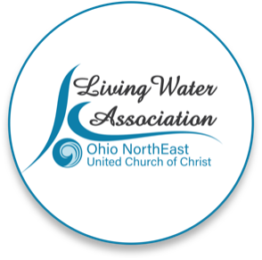 Line Item Project Budget

Project Income | Anticipated | Committed | Total | Line Item Description

Please provide details for each line item in your project budget. For example: Foundations - The Cleveland Foundation has awarded $15,000 listed under Commited column. Other UCC Rellated Grants - A proposal that is pending with a UCC Neighbors in Need Grant for $10,000 listed under Anticipated column.

Living Water Association | 0
Other UCC Related Grants | 2,000 |  |  | A UCC-related matching model provided up to $2,000, which must be used (per application) toward purchase of a used vehicle for transportation. This is a one-time cost and thus not included in an annual budget.
Foundations | 0
Organizational Budget (i.e.: individual contributions, fundraising, events/products, membership/fees/earned income, endowed income) | variable |  |  | Our total Missions budget is 10% of tithes and offerings, so it is changeable month to month; no designated funding for Refugee Ministry. To date, we have collected $5,100 from the congregation toward this ministry.
In-kind support | unlimited |  |  | Members paint and clean the apartment, donate needed items like diapers, transport immigrant tenants to medical appointments, engage with schools to help enroll children, engage with legal services for immigration issues
Other |  |  |  | Refugee Ministry Fund - congregational donations - currently stands at $5,100
Total | $2,000.00 | $- | $-

Project Expenses | Living Water Association Funding Request | Other Funding | Total | Line Item Description

Please provide details for each line item in your project budget. For example: Salary and Wages - $1,500 in wages will support the Food Justice Coordinator to implement the program in congregational education and coordinating our food pantry distribution. Wages are calculated at 10% of the Coordinator's total time at a rate of $20/hr x 75 hours ($15,000 expected in wages for the year).

Salaries and wages | 0
Consultants and professional services | 0 |  |  | all donated
Travel
Equipment | $1,200 |  |  | furniture updates
Office supplies/materials
Postage and mailing
Indirect expenses (i.e. rent/occupancy, utilities, maintenance) | $750 |  |  | paint, cleaning supplies, repairs
Other | 2,000 |  |  | for annual replacement of bedding, mattresses, and towels plus starter food and household goods
Total | $3,950.00 | $- | $-

If you have any questions regarding this process, please contact michael@livingwaterone.org or call (330) 814-7663.

