Sheet1
FAITH IN ACTION GRANTS APPLICATION
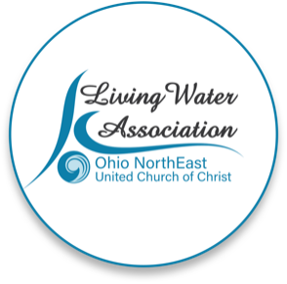 Line Item Project Budget

Project Income | Anticipated | Committed | Total | Line Item Description

Please provide details for each line item in your project budget. For example: Foundations - The Cleveland Foundation has awarded $15,000 listed under Commited column. Other UCC Rellated Grants - A proposal that is pending with a UCC Neighbors in Need Grant for $10,000 listed under Anticipated column.

Living Water Association | 4000 |  | 4000 | For Red Tulip Beyond Program
Other UCC Related Grants |  | 1000 | 1000 | Missions at Claridon UCC gift cards
Foundations
Organizational Budget (i.e.: individual contributions, fundraising, events/products, membership/fees/earned income, endowed income) | 19422 |  | 19422 | Project Donations and Fundraisers
In-kind support
Other
Total | $23,422.00 | $1,000.00 | $24,422.00

Project Expenses | Living Water Association Funding Request | Other Funding | Total | Line Item Description

Please provide details for each line item in your project budget. For example: Salary and Wages - $1,500 in wages will support the Food Justice Coordinator to implement the program in congregational education and coordinating our food pantry distribution. Wages are calculated at 10% of the Coordinator's total time at a rate of $20/hr x 75 hours ($15,000 expected in wages for the year).

Salaries and wages |  | 7722 | 7722 | Peer Support Person, 6 hrs/week@ $24.75
Consultants and professional services
Travel
Equipment
Office supplies/materials | 4,000 | 11700 | 15700 | Other Supplies are funded by Community Partners and other Project Donations. Food of $4,000 is not covered by other funding sources. This would support the nutrition portion of RTBeyond
Postage and mailing
Indirect expenses (i.e. rent/occupancy, utilities, maintenance)
Other |  | 1000 | 1000 | Grocery, toiletries, gas and transit gift cards from Claridon Congregational UCC
Total | $4,000.00 | $20,422.00 | $24,422.00

If you have any questions regarding this process, please contact michael@livingwaterone.org or call (330) 814-7663.

