Sheet1
FAITH IN ACTION GRANTS APPLICATION
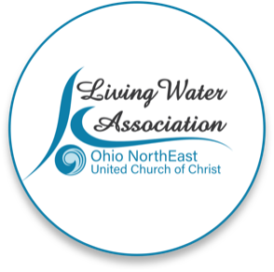 Line Item Project Budget

Project Income | Anticipated | Committed | Total | Line Item Description

Please provide details for each line item in your project budget. For example: Foundations - The Cleveland Foundation has awarded $15,000 listed under Commited column. Other UCC Rellated Grants - A proposal that is pending with a UCC Neighbors in Need Grant for $10,000 listed under Anticipated column.

Living Water Association | 4000 |  | 4000
Other UCC Related Grants | 2500 |  | 2500 | Plymouth Church
Foundations
Organizational Budget (i.e.: individual contributions, fundraising, events/products, membership/fees/earned income, endowed income) |  | 26500 | 26500 | individual donations and fund-a-cause dontations
In-kind support | 1000 | 1000 | 2000 | GoodsBank
Other |  |  | 0
Total | $7,500.00 | $27,500.00 | $35,000.00

Project Expenses | Living Water Association Funding Request | Other Funding | Total | Line Item Description

Please provide details for each line item in your project budget. For example: Salary and Wages - $1,500 in wages will support the Food Justice Coordinator to implement the program in congregational education and coordinating our food pantry distribution. Wages are calculated at 10% of the Coordinator's total time at a rate of $20/hr x 75 hours ($15,000 expected in wages for the year).

Salaries and wages |  | 12500 | 12500 | wages for wraparound therapist 7 hours per week at $26 per hour. Supervisor 1.5 hours per week at $39 per hour.
Consultants and professional services |  | 6000 | 6000 | speakers/subject matter expert consultation
Travel |  | 200 | 200 | mileage reimbursement
Equipment |  | 0 | 0
Office supplies/materials | 4000 | 12000 | 16000 | mom and baby necessities
Postage and mailing |  | 300 | 300 | outreach letters, printing
Indirect expenses (i.e. rent/occupancy, utilities, maintenance) |  |  | 0
Other |  |  | 0
Total | $4,000.00 | $31,000.00 | $35,000.00

If you have any questions regarding this process, please contact michael@livingwaterone.org or call (330) 814-7663.

