Sheet1
FAITH IN ACTION GRANTS APPLICATION
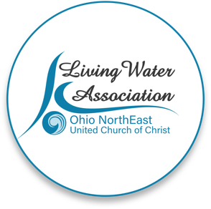 Line Item Project Budget

Project Income | Anticipated | Committed | Total | Line Item Description

Please provide details for each line item in your project budget. For example: Foundations - The Cleveland Foundation has awarded $15,000 listed under Commited column. Other UCC Rellated Grants - A proposal that is pending with a UCC Neighbors in Need Grant for $10,000 listed under Anticipated column.

Living Water Association | 2000 |  | 2000
Other UCC Related Grants |  | 1000 | 1000 | Heartland Conf MAD grant
Foundations |  | 1200 | 1200 | Ashtabula Foundation
Organizational Budget (i.e.: individual contributions, fundraising, events/products, membership/fees/earned income, endowed income) | 11,800 | 2,000 | 13,800 | 2000 committed Andover Salv Army
In-kind support |  |  | 0
Other |  |  | 0
Total | $13,800.00 | $4,200.00 | $18,000.00

Project Expenses | Living Water Association Funding Request | Other Funding | Total | Line Item Description

Please provide details for each line item in your project budget. For example: Salary and Wages - $1,500 in wages will support the Food Justice Coordinator to implement the program in congregational education and coordinating our food pantry distribution. Wages are calculated at 10% of the Coordinator's total time at a rate of $20/hr x 75 hours ($15,000 expected in wages for the year).

Salaries and wages |  |  | 0 | n/a
Consultants and professional services |  |  | 0 | n/a
Travel |  |  | 0 | n/a
Equipment | 2000 | 16000 | 18000 | school supplies and backpack expense
Office supplies/materials |  |  | 0 | donated by church and/or privately
Postage and mailing |  |  | 0 | donated by church and/or privately
Indirect expenses (i.e. rent/occupancy, utilities, maintenance) |  |  | 0 | storage area donated privately
Other |  |  | 0
Total | $2,000.00 | $16,000.00 | $18,000.00

If you have any questions regarding this process, please contact michael@livingwaterone.org or call (330) 814-7663.

