Sheet1
FAITH IN ACTION GRANTS APPLICATION
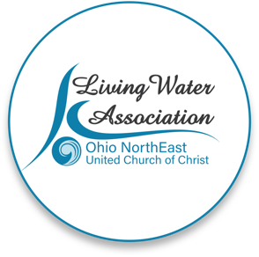 Line Item Project Budget

Project Income | Anticipated | Committed | Total | Line Item Description

Please provide details for each line item in your project budget. For example: Foundations - The Cleveland Foundation has awarded $15,000 listed under Commited column. Other UCC Rellated Grants - A proposal that is pending with a UCC Neighbors in Need Grant for $10,000 listed under Anticipated column.

Living Water Association
Other UCC Related Grants |  | $10,000 |  | A grant was provided by Avon Lake UCC for $10,000 in December 2025 and additional, smaller amounts may be forthcoming later this year.
Foundations | $12,000 |  |  | A proposal is pending with the Cleveland Foundation for a grant of this amount.
Organizational Budget (i.e.: individual contributions, fundraising, events/products, membership/fees/earned income, endowed income) | $31,600 |  |  | Combination of individual donations and rental income
In-kind support | $25,500 |  |  | Approximate value of food and supplies donated in kind.
Other
Total | $69,100.00 | $10,000.00 | $-

Project Expenses | Living Water Association Funding Request | Other Funding | Total | Line Item Description

Please provide details for each line item in your project budget. For example: Salary and Wages - $1,500 in wages will support the Food Justice Coordinator to implement the program in congregational education and coordinating our food pantry distribution. Wages are calculated at 10% of the Coordinator's total time at a rate of $20/hr x 75 hours ($15,000 expected in wages for the year).

Salaries and wages | $2,500 | $24,900 | $27,400 | This represents the portion of the cost of the church staff which is allocable to the food ministry program, which is open 7 days a week, 6 days of which the church is open solely to provide the food and trelated ministries to the needy in the Denison area.
Consultants and professional services | 0 | 2000 | 2000 | Bookkeeper expense
Travel
Equipment
Office supplies/materials
Postage and mailing
Indirect expenses (i.e. rent/occupancy, utilities, maintenance) | 1500 | 19700 | 21,200 | This includes utilities ($14,500), delivery ($2000), insurance ($2500), maintenance ($2000), and miscellaneous items ($200), which together are approximately $21,200. The total costs associated with the project are approximately $76,000, but approximately $25,500 is covered by the value of the in-kind donations noted above. $21,200 is the cash cost of the remaining expenses for the program, beyond those noted above.
Other
Total | $4,000.00 | $46,600.00 | $50,600.00

If you have any questions regarding this process, please contact michael@livingwaterone.org or call (330) 814-7663.

