Sheet1
FAITH IN ACTION GRANTS APPLICATION
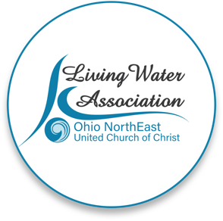 Line Item Project Budget

Project Income | Anticipated | Committed | Total | Line Item Description

Please provide details for each line item in your project budget. For example: Foundations - The Cleveland Foundation has awarded $15,000 listed under Commited column. Other UCC Rellated Grants - A proposal that is pending with a UCC Neighbors in Need Grant for $10,000 listed under Anticipated column.

Living Water Association | 3000 |  | 3000 | freezer and summer meal program
Other UCC Related Grants
Foundations
Organizational Budget (i.e.: individual contributions, fundraising, events/products, membership/fees/earned income, endowed income)
In-kind support
Other
Total | $3,000.00 | $- | $3,000.00

Project Expenses | Living Water Association Funding Request | Other Funding | Total | Line Item Description

Please provide details for each line item in your project budget. For example: Salary and Wages - $1,500 in wages will support the Food Justice Coordinator to implement the program in congregational education and coordinating our food pantry distribution. Wages are calculated at 10% of the Coordinator's total time at a rate of $20/hr x 75 hours ($15,000 expected in wages for the year).

Salaries and wages
Consultants and professional services
Travel
Equipment | 1000 |  | 1000 | purchase freezer, delivery, disposal of old one
Office supplies/materials | 2000 |  | 2000 | summer family meals - 50 bags @ $40 each
Postage and mailing
Indirect expenses (i.e. rent/occupancy, utilities, maintenance)
Other
Total | $3,000.00 | $- | $3,000.00

If you have any questions regarding this process, please contact michael@livingwaterone.org or call (330) 814-7663.

