Sheet1
FAITH IN ACTION GRANTS APPLICATION
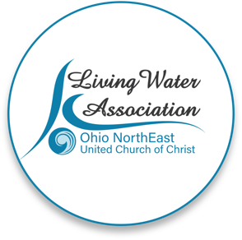 Line Item Project Budget

Project Income | Anticipated | Committed | Total | Line Item Description

Please provide details for each line item in your project budget. For example: Foundations - The Cleveland Foundation has awarded $15,000 listed under Commited column. Other UCC Rellated Grants - A proposal that is pending with a UCC Neighbors in Need Grant for $10,000 listed under Anticipated column.

Living Water Association
Other UCC Related Grants
Foundations | AASBCR |  | $3,000 | This organization funded us last year but they do not often fund subsequent years
Organizational Budget (i.e.: individual contributions, fundraising, events/products, membership/fees/earned income, endowed income) | $250 |  |  | We have requested $250 for this project from our social justice budget. We also will solicit donations for clothing, blankets, hats, gloves, scarves, etc. through our congregation and with the help of our scout troup.
In-kind support | $500 |  |  | Donations of food from congregation volunteers and our first Sunday brunches and church events.
Other
Total | $750.00 | $- | $3,000.00

Project Expenses | Living Water Association Funding Request | Other Funding | Total | Line Item Description

Please provide details for each line item in your project budget. For example: Salary and Wages - $1,500 in wages will support the Food Justice Coordinator to implement the program in congregational education and coordinating our food pantry distribution. Wages are calculated at 10% of the Coordinator's total time at a rate of $20/hr x 75 hours ($15,000 expected in wages for the year).

Salaries and wages |  |  |  | Church volunteers will do purchasing and washing and organizing donated items and distribution at Grace Park
Consultants and professional services
Travel | $250 |  |  | 100 bus passes at $2.50 each
Equipment | $3,750 |  |  | Equipmenmt includes warm and cold weather clothing, hats, cooling towels, back packs, hygiene supplies, socks, underwear, handwarmers, rain ponchos, winter hats, gloves, blankets, vests and hoodies, neck gaiters, and some emergency needs such as sleeping bags, shoes/boots, tents as needed.
Office supplies/materials
Postage and mailing
Indirect expenses (i.e. rent/occupancy, utilities, maintenance)
Other
Total | $4,000.00 | $- | $-

If you have any questions regarding this process, please contact michael@livingwaterone.org or call (330) 814-7663.

