Sheet1
FAITH IN ACTION GRANTS APPLICATION
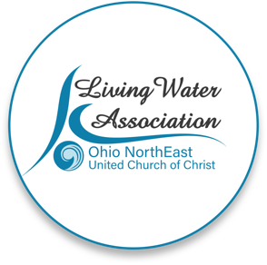 Line Item Project Budget

Project Income | Anticipated | Committed | Total | Line Item Description

Please provide details for each line item in your project budget. For example: Foundations - The Cleveland Foundation has awarded $15,000 listed under Commited column. Other UCC Rellated Grants - A proposal that is pending with a UCC Neighbors in Need Grant for $10,000 listed under Anticipated column.

Living Water Association | 2,500 | 0 | 2,500 | MLK, Jr.Essay Contest funds
Other UCC Related Grants | 0 | 0 | 0
Foundations | 0 | 0 | 0
Organizational Budget (i.e.: individual contributions, fundraising, events/products, membership/fees/earned income, endowed income)
In-kind support | 0 | 0 | 0
Other | 1,000 | 0 | 1,000 | MLK, Jr. Essay Contest funds from North Shore AFL-CIO
Total | $3,500.00 | $- | $3,500.00

Project Expenses | Living Water Association Funding Request | Other Funding | Total | Line Item Description

Please provide details for each line item in your project budget. For example: Salary and Wages - $1,500 in wages will support the Food Justice Coordinator to implement the program in congregational education and coordinating our food pantry distribution. Wages are calculated at 10% of the Coordinator's total time at a rate of $20/hr x 75 hours ($15,000 expected in wages for the year).

Salaries and wages | 2325 | 0 | 0 | scholarships for students
Consultants and professional services | 500 | 0 | 0 | honoraria for speaker and musician for Scholarship Award program
Travel | 0 | 0 | 0
Equipment | 0 | 0 | 0
Office supplies/materials | 75 | 0 | 0 | printed materials
Postage and mailing | 0 | 0 | 0
Indirect expenses (i.e. rent/occupancy, utilities, maintenance) | 600 | 0 | 0 | food and refreshments for Scholarship Award program
Other
Total | $3,500.00 | $- | $-

If you have any questions regarding this process, please contact michael@livingwaterone.org or call (330) 814-7663.

